Streets for People AMAT
Streets for People - AMAT assumptions, input values and outputs
Intervention | A range of (unspecified) footway, cycle route, signage and pedestrian crossing improvements, combined with targeted upgrades and resurfacing of poor quality footway, cycle path and highway surfaces.
Target population | People walking and cycling in Nottingham, plus people who use other modes but might be encouraged to walk and cycle more by the improvements
Target locations | Intended to complement ongoing Transforming Cities Fund Tranche 1 & 2 + Active Travel Fund interventions that are focused on corridors, the LUF interventions will focus on enhancing links to primary routes.
Scheme value | £12.5m spread over three years, inclusive of Optimism Bias and allowances for risks (at 2022 prices)

Assumptions underpinning the Active Mode Appraisal for these interventions
Opening Year | 2022 |  | (also the price year, on the basis this is when the bulk of funding will be spent)
Last year of funding | 2024
Appraisal period | 30 | years
Local area type | Other Urban

Beneficiary population - cycling
Total population - Nottingham City | 332,900 |  | Source: | ONS Mid-Year Estimates 2019
Adult population (18-85) - Nottingham City | 257,900 |  | Source: | ONS Mid-Year Estimates 2019
% of adults that cycle for any purpose | 1 x month | 1 x week | 3 x week | 5 x week
 | 4.7% | 5.1% | 2.7% | 3.4% |  | Source: DfT CW0302
Cycle trips per year | 12 | 52 | 156 | 260
Est. Cycle trips/year without intervention | 145,456 | 683,951 | 1,086,275 | 2,279,836
 | 4,195,517
Est. Cycle trips/day without intervention | 11,495 |  | Input into AMAT (without scheme trips)

Assumed behavioural response to interventions
% uplift in cycle trips per day | 3.0% |  | Source: | Assumption based on an average 12% - 13% uplift in cycling levels along strategic cycle corridors in Nottingham that have received major investment
Est. Cycle trips/day with intervention | 11,839 |  | Input into AMAT
Estimated additional cycle trips/day | 345
% of an average cycling trip that will use the intervention | 3.0% |  | Input into AMAT |  | Source: | Assumption based on extent of network being improved

Assumed change in cycle infrastructure (owing to LUF investments)
Current cycling infrastructure for this route | Shared bus lane |  | Input into AMAT |  | Source: | Indicative type of existing infrastructure present in the kinds of locations that are likely to be improved. Varies by location, but a reasonable proxy.
Proposed new cycling infrastructure for this route | On-road segregated cycle lane |  | Input into AMAT |  | Source: | Indicative type of future infrastructure that will exist after the LUF investments. Varies by location, but a reasonable proxy.

Beneficiary population - walking
Total population | 332,900 |  | Source: | ONS Mid-Year Estimates 2019
Adult population (18-85) | 257,900 |  | Source: | ONS Mid-Year Estimates 2019
% of adults that walk for any purpose | 1 x month | 1 x week | 3 x week | 5 x week
 | 7.9% | 26.2% | 10.0% | 33.9% |  | Source: DfT CW0303
Walking trips per year | 12 | 52 | 156 | 260
Est. Walking trips/year without intervention | 244,489 | 3,513,630 | 4,023,240 | 22,731,306
 | 30,512,665
Est. Walking trips/day without intervention | 83,596 |  | Input into AMAT (without scheme trips)

Assumed behavioural response to interventions
% uplift in walk trips per day | 3.0% |  | Source: | Nottingham LSTF outcome evaluation - comparing walking levels with background national trends, and reflecting on 20mph zone impacts: https://assets.publishing.service.gov.uk/government/uploads/system/uploads/attachment_data/file/738267/meta-analysis-of-lstf-large-projects-final-report.pdf (Pg 165 - 178)
Est. walk trips/day with intervention | 86,104 |  | Input into AMAT
Estimated additional walking trips/day | 2,508
% of an average walking trip that will use the intervention | 3.0% |  | Input into AMAT |  | Source: | Assumption based on extent of network being improved

Assumed change in walking infrastructure (owing to LUF investments)

Infrastructure type | Current | Proposed
Street lighting | Yes | Yes | Input into AMAT |  | Source: | Indicative of no change to street lighting quality in target areas
Kerb level | No | Yes | Input into AMAT |  | Source: | Indicative of expected introduction of level access road crossing points in some locations
Crowding | No | No | Input into AMAT |  | Source: | indicative of no change to crowding on the basis that alleviating pedestrian congestion is not a primary aim of the scheme
Pavement evenness | No | Yes | Input into AMAT |  | Source: | Indicative of primary objecitve being to upgrade the quality of uneven/poorly surfaced pedestrian footways
Information panels | No | No | Input into AMAT |  | Source: | Indicative of addiitonal information boards/panels not forming a primary objective of the scheme
Benches | No | Yes | Input into AMAT |  | Source: | Indicative of new benches and improved seating/rest areas being improved along some walking routes
Directional signage | No | Yes | Input into AMAT |  | Source: | Indicative of the introduction of new directional signage along some walking routes

Estimated reduction in car trips and Km travelled (core scenario)
Total daily increase in one-way daily cycling trips | 345
Convert to two-way trips | 655 |  | Assumes 90% of trips also involve an equivalent return trip
Proportion otherwise using a car | 11% |  | Source: | Literature Review carried out by RAND Europe/Systra for DfT
Average length of trip (in Km) | 5.4 |  | Source: | National Travel Survey 2019
Estimated change in daily car trips - to cycling | -72 |  | For inclusion in AST
Estimated change in daily car trip lengths (Km) - to cycling | -389 |  | For inclusion in AST
Total daily increase in one-way daily walking trips | 2,508
Convert to two-way trips | 4,765 |  | Assumes 90% of trips also involve an equivalent return trip
Proportion otherwise using a car | 11% |  | Source: | Literature Review carried out by RAND Europe/Systra for DfT
Average length of trip (in Km) | 5.4 |  | Source: | National Travel Survey 2019
Estimated change in daily car trips - to cycling | -524
Estimated change in daily car trip lengths (Km) - to cycling | -2,830

Estimated total reduction daily car trips (shift to walk/cycle) | -596 |  | For inclusion in AST
Estimated total change in daily car trip length (Km to walk/cycle) | -3,220 |  | For inclusion in AST

Core scenario outputs from AMAT (in line with parameters defined above) |  |  |  |  |  |  | Core Scenario
Analysis of Monetised Costs and Benefits | (in £'000s) |  | Benefits by type: | £'000s | %
Congestion benefit | £419.90 |  | Mode shift | £487.53 | 3.0%
Infrastructure maintenance | £2.37 |  | Health | £14,437.27 | 88.1%
Accident | £71.09 |  | Journey quality | £1,468.33 | 9.0%
Local air quality | £8.82
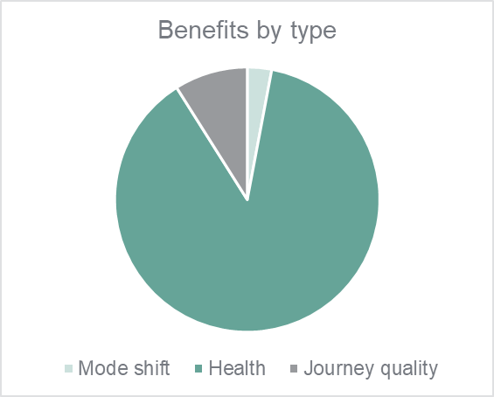
Noise | £4.74
Greenhouse gases | £16.43 |  |  |  |  |  |  | £16,429 | Value of GHGs (2010) prices
Reduced risk of premature death | £12,191.58 |  |  |  |  |  |  | 315 | Estimated Tonnes CO2e saved over appraisal period
Absenteeism | £2,245.68
Journey ambience | £1,468.33

Indirect taxation | -£35.82
Government costs | £7,670.69
Private contribution | £0.00

PVB | £16,390.76
PVC | £7,668.32

BCR | 2.14

AMAT Sensitivity Test A: 4% uplift in walking and cycling and 4% of trips use the improvements |  |  |  |  |  |  | High Scenario
Analysis of Monetised Costs and Benefits | (in £'000s) |  | Benefits by type: | £'000s | %
Congestion benefit | £560.03 |  | Mode shift | £650.23 | 3.0%
Infrastructure maintenance | £3.16 |  | Health | £19,253.28 | 88.0%
Accident | £94.81 |  | Journey quality | £1,967.43 | 9.0%
Local air quality | £11.77
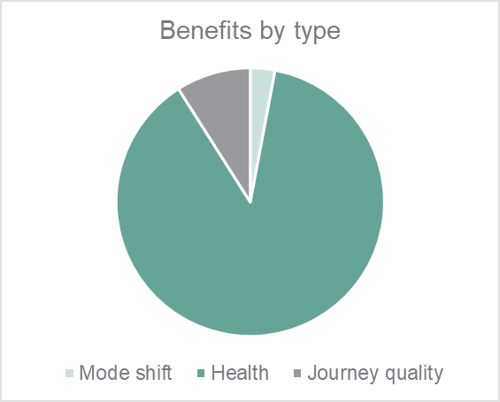
Noise | £6.32
Greenhouse gases | £21.91 |  |  |  |  |  |  | £21,911 | Value of GHGs (2010) prices
Reduced risk of premature death | £16,258.64 |  |  |  |  |  |  | 420 | Estimated Tonnes CO2e saved over appraisal period
Absenteeism | £2,994.64
Journey ambience | £1,967.43

Indirect taxation | -£47.77
Government costs | £7,670.69
Private contribution | £0.00

PVB | £21,867.78
PVC | £7,667.53

BCR | 2.85

AMAT Sensitivity Test B: 2% uplift in walking and cycling trip numbers + 2% of with scheme trips use improved network (each instead of 3%) |  |  |  |  |  |  | Low Scenario
Analysis of Monetised Costs and Benefits | (in £'000s) |  | Benefits by type: | £'000s | %
Congestion benefit | £279.77 |  | Mode shift | £324.83 | 3.0%
Infrastructure maintenance | £1.58 |  | Health | £9,621.25 | 88.1%
Accident | £47.36 |  | Journey quality | £974.07 | 8.9%
Local air quality | £5.88

Noise | £3.16
Greenhouse gases | £10.95 |  |  |  |  |  |  | £10,946 | Value of GHGs (2010) prices
Reduced risk of premature death | £8,124.53 |  |  |  |  |  |  | 210 | Estimated Tonnes CO2e saved over appraisal period
Absenteeism | £1,496.72
Journey ambience | £974.07

Indirect taxation | -£23.87
Government costs | £7,670.69
Private contribution | £0.00

PVB | £10,918.57
PVC | £7,669.11

BCR | 1.42

School Streets AMAT
School Streets - AMAT assumptions, input values and outputs
Intervention | Low Traffic Neighbourhood interventions at 20 schools in Nottingham City, focused on improving the quality and safety of walking, cycling and road crossing facilities in the vicinity of schools
Target population | Young people and children walking and cycling to school in Nottingham, plus people who currently use other modes for these trips but might be encouraged to walk and cycle more by the improvements
Target locations | Intended to complement ongoing Transforming Cities Fund Tranche 1 & 2 + Active Travel Fund interventions that are focused on corridors, the LUF interventions will focus on enhancing links to schools.
Scheme value | £2.0m spread over three years, inclusive of Optimism Bias and allowances for risks (at 2022 prices)

Assumptions underpinning the Active Mode Appraisal for these interventions
Opening Year | 2022 |  | (also the price year, on the basis this is when the bulk of funding will be spent)
Last year of funding | 2024
Appraisal period | 30 | years
Local area type | Other Urban

Beneficiary population
Pupil population (aged 4 - 18) | 44,658 |  | Source: | Jan 2021 Pupil Characteristics dataset (Nottingham Insight: https://www.nottinghaminsight.org.uk/Document-Library/Document-Library/aAXJWAM)
Number of primary, secondary and tertiary education facilities | 142 |  | Source: | https://www.compare-school-performance.service.gov.uk/schools-by-type?step=phase&region=892&geographic=la&page=2&phase=all&For=abspop&BasedOn=Pupil+population
Target number of beneficiary schools | 20 |  | Source: | Dialogue with NCC officers on achievable Low Traffic Neighbourhood interventions
Expressed as a percentage of total schools | 14%
Estimated pupil beneficiary population | 6,290
Estimated parent/guardian uplift | 6,290 |  | Source: | Assumes one parent/guardian beneficiary per pupil/student
Total potential beneficiaries | 12,580

Estimated without scheme cycle trips and behavioural response to School Streets interventions
% pupils cycling to school (without scheme) | 3% |  | Source: | NTS0615 Usual mode of travel to school by age group (5-16 years)
Estimated No. people at target schools cycling (without scheme) | 377 |  | Input into AMAT (without scheme cycling trips) |  |  |  | Assumes parents are cycling to school with children / influenced by their cycling
Forecast uplift in cycling trips to target schools | 33% |  | Source: | Based on a conservative 3% point reduction in car trips to school, as reported in TfQL's evaluation of school streets impacts at 27 schools in 7 local authority areas (https://static1.squarespace.com/static/5c61621bab1a620ddea3ce27/t/5ffc92db4a46e1130cfd8d9a/1610388193174/School+Streets+-+Possible.pdf), and equates to an assumed 1% point increase in cycling to school and a 1% point reduction in driving to school
Estimate No. people at target schools cycling (with scheme) | 502 |  | Input into AMAT (without scheme cycling trips)
Forecast uplift in cycling trips to target schools/day | 125

Assumed change in cycle infrastructure (owing to LUF investments)
Current cycling infrastructure for this route | Shared bus lane |  | Input into AMAT |  | Source: | Indicative type of existing infrastructure present around schools that are likely to be improved. Varies by location, but a reasonable proxy.
Proposed new cycling infrastructure for this route | On-road segregated cycle track |  | Input into AMAT |  | Source: | Indicative type of environment that will be created through permanent school streets interventions around schools
% of an average cycling trip that will use the intervention | 5.0% |  | Input into AMAT |  | Source: | Assumption based on extent of network being improved around the schools

Estimated without scheme walking trips and behavioural response to School Streets interventions
% walking to school (without scheme) | 41% |  | Source: | NTS0615 Usual mode of travel to school by age group (5-16 years)
Estimated No. walking trips/day (without scheme) | 5,158 |  | Input into AMAT (without scheme walking trips) |  |  |  | Assumes parents are walking to school with children / influenced by their walking
Forecast uplift in walking trips to target schools/day | 252 |  | Source: | Based on a conservative 3% point reduction in car trips to school, as reported in TfQL's evaluation of school streets impacts at 27 schools in 7 local authority areas (https://static1.squarespace.com/static/5c61621bab1a620ddea3ce27/t/5ffc92db4a46e1130cfd8d9a/1610388193174/School+Streets+-+Possible.pdf), and equates to an assumed 2% point increase in walking to school and a 2% point reduction in driving to school
Estimate No. walking trips/day (with scheme) | 5,409 |  | Input into AMAT (without scheme cycling trips)
% of an average walking trip that will use the intervention | 10.0% |  | Input into AMAT |  | Source: | Assumption based on extent of network being improved around the schools

Assumed change in walking infrastructure (owing to LUF investments)

Infrastructure type | Current | Proposed
Street lighting | Yes | Yes | Input into AMAT |  | Source: | Indicative of no change to street lighting quality in target areas
Kerb level | No | Yes | Input into AMAT |  | Source: | Indicative of expected introduction of level access road crossing points in some locations
Crowding | No | No | Input into AMAT |  | Source: | indicative of no change to crowding on the basis that alleviating pedestrian congestion is not a primary aim of the scheme
Pavement evenness | No | Yes | Input into AMAT |  | Source: | Indicative of primary objecitve being to upgrade the quality of uneven/poorly surfaced pedestrian footways
Information panels | No | No | Input into AMAT |  | Source: | Indicative of addiitonal information boards/panels not forming a primary objective of the scheme
Benches | No | Yes | Input into AMAT |  | Source: | Indicative of new benches and improved seating/rest areas being improved along some walking routes
Directional signage | No | Yes | Input into AMAT |  | Source: | Indicative of the introduction of new directional signage along some walking routes

Estimated reduction in car trips and Km travelled (core scenario)
Total daily increase in one-way daily cycling trips | 125
Proportion otherwise using a car | 11% |  | Source: | Literature Review carried out by RAND Europe/Systra for DfT
Estimated change in daily car trips | -14 |  | For inclusion in AST
Average length of trip (in Km) | 5.4 |  | Source: | National Travel Survey 2019
Estimated change in daily car trip lengths (Km) | -73.98 |  | For inclusion in AST

Estimated reduction in car trips and Km travelled (core scenario)
Total daily increase in one-way daily cycling trips | 125
Convert to two-way trips | 237 |  | Assumes 90% of trips also involve an equivalent return trip
Proportion otherwise using a car | 100% |  | Source: | See Cell E25. All trips are assumed to have switched from private car use
Average length of trip (in Km) | 5.4 |  | Source: | National Travel Survey 2019
Estimated change in daily car trips - to cycling | -237 |  | For inclusion in AST
Estimated change in daily car trip lengths (Km) - to cycling | -1,278 |  | For inclusion in AST
Total daily increase in one-way daily walking trips | 252
Convert to two-way trips | 478 |  | Assumes 90% of trips also involve an equivalent return trip
Proportion otherwise using a car | 100% |  | Source: | See Cell E25. All trips are assumed to have switched from private car use
Average length of trip (in Km) | 5.4 |  | Source: | National Travel Survey 2019
Estimated change in daily car trips - to walking | -478
Estimated change in daily car trip lengths (Km) - to walking | -2,581

Estimated total reduction daily car trips (shift to walk/cycle) | -715 |  | For inclusion in AST
Estimated total change in daily car trip length (Km to walk/cycle) | -3,859 |  | For inclusion in AST

Core scenario outputs from AMAT (in line with parameters defined above) |  |  |  |  |  |  |  | Core Scenario
Analysis of Monetised Costs and Benefits | (in £'000s) |  | Benefits by type: | £'000s | %
Congestion benefit | £397.77 |  | Mode shift | £461.83 | 18.8%
Infrastructure maintenance | £2.24 |  | Health | £1,853.08 | 75.5%
Accident | £67.34 |  | Journey quality | £138.63 | 5.7%
Local air quality | £8.36
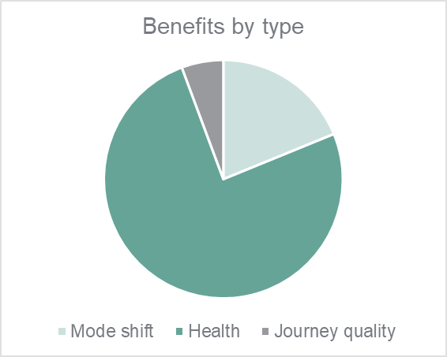
Noise | £4.49
Greenhouse gases | £15.56 |  |  |  |  |  |  |  | £15,563 | Value of GHGs (2010) prices
Reduced risk of premature death | £1,602.90 |  |  |  |  |  |  |  | 299 | Estimated Tonnes CO2e saved over appraisal period
Absenteeism | £250.18
Journey ambience | £138.63

Indirect taxation | -£33.93
Government costs | £1,095.68
Private contribution | £0.00

PVB | £2,451.29
PVC | £1,093.43

BCR | 2.24

AMAT Sensitivity Test A: Higher level of behavioural response to School Streets interventions (assumed 50% uplift in cycle trips + 3% point increase in walking trips) |  |  |  |  |  |  |  | High Scenario

Analysis of Monetised Costs and Benefits | (in £'000s) |  | Benefits by type: | £'000s | %
Congestion benefit | £600.27 |  | Mode shift | £696.95 | 20.2%
Infrastructure maintenance | £3.39 |  | Health | £2,605.27 | 75.6%
Accident | £101.62 |  | Journey quality | £142.66 | 4.1%
Local air quality | £12.61

Noise | £6.77
Greenhouse gases | £23.49 |  |  |  |  |  |  |  | £23,486 | Value of GHGs (2010) prices
Reduced risk of premature death | £2,416.83 |  |  |  |  |  |  |  | 451 | Estimated Tonnes CO2e saved over appraisal period
Absenteeism | £188.44
Journey ambience | £142.66

Indirect taxation | -£51.21
Government costs | £1,095.68
Private contribution | £0.00

PVB | £3,441.49
PVC | £1,092.29

BCR | 3.15

AMAT Sensitivity Test B: Lower level of behavioural response to School Streets interventions (assumed 25% uplift in cycle trips + 1.5% point increase in walking trips) |  |  |  |  |  |  |  | Low Scenario
Analysis of Monetised Costs and Benefits | (in £'000s) |  | Benefits by type: | £'000s | %
Congestion benefit | £301.03 |  | Mode shift | £349.52 | 19.5%
Infrastructure maintenance | £1.70 |  | Health | £1,305.09 | 72.9%
Accident | £50.96 |  | Journey quality | £136.70 | 7.6%
Local air quality | £6.33

Noise | £3.40
Greenhouse gases | £11.78 |  |  |  |  |  |  |  | £11,778 | Value of GHGs (2010) prices
Reduced risk of premature death | £1,210.78 |  |  |  |  |  |  |  | 226 | Estimated Tonnes CO2e saved over appraisal period
Absenteeism | £94.31
Journey ambience | £136.70

Indirect taxation | -£25.68
Government costs | £1,095.68
Private contribution | £0.00

PVB | £1,789.60
PVC | £1,093.98

BCR | 1.64

